Sheet1
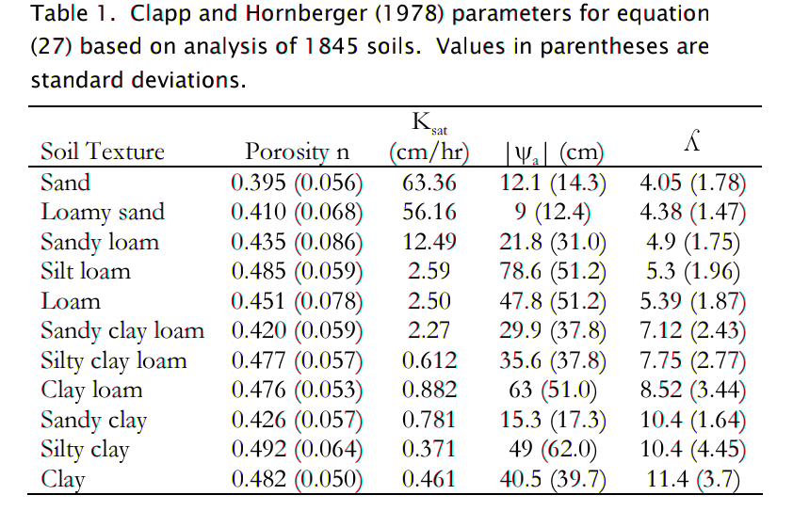

 |  |  |  |  |  |  | 633.6 | 63.36 | 4.05 | 0.24691358025
 |  |  |  |  |  |  | 561.6 | 56.16 | 4.38 | 0.22831050228
 |  |  |  |  |  |  | 124.9 | 12.49 | 4.9 | 0.20408163265
 |  |  |  |  |  |  | 25.9 | 2.59 | 5.3 | 0.18867924528
 |  |  |  |  |  |  | 25 | 2.5 | 5.39 | 0.18552875696
 |  |  |  |  |  |  | 22.7 | 2.27 | 7.12 | 0.1404494382
 |  |  |  |  |  |  | 6.12 | 0.612 | 7.75 | 0.12903225806
 |  |  |  |  |  |  | 8.82 | 0.882 | 8.52 | 0.11737089202
 |  |  |  |  |  |  | 7.81 | 0.781 | 10.4 | 0.096153846154
 |  |  |  |  |  |  | 3.71 | 0.371 | 10.4 | 0.096153846154
 |  |  |  |  |  |  | 4.61 | 0.461 | 11.4 | 0.087719298246

 | Saxton
 | lambda | mm/h | 1/lambda | 2/l+3 | Se
 | 0.22894570944 | 107.83391229 | 4.3678477419 | 11.735695484 | 0.5 | 0.00029322678545
 | 0.22456107077 | 94.662043986 | 4.4531315983 | 3.4491221415 | 0.5 | 0.091561052587
 | 0.21004969288 | 48.00975086 | 4.7607782057 | 3.4200993858 | 0.5 | 0.093421642098
 | 0.19323844709 | 19.978354235 | 5.1749536132 | 3.3864768942 | 0.5 | 0.095624433481
15.54946932 | 0.24794267309 |  | 4.0331903643 | 3.4958853462 | 0.5 | 0.088640796409
10.642092237 | 0.36332727923 |  | 2.7523394393 | 3.7266545585 | 0.5 | 0.075537949991
 | 0.13180050124 | 9.2441720086 | 7.58722456 | 3.2636010025 | 0.5 | 0.10412576482
 | 0.14390801045 | 7.7359772087 | 6.9488835045 | 3.2878160209 | 0.5 | 0.10239264398
 | 0.16448657722 | 11.399879837 | 6.079523429 | 3.3289731544 | 0.5 | 0.099512864057
 | 0.10555723678 | 5.2866537981 | 9.4735333216 | 3.2111144736 | 0.5 | 0.1079837049
 | 0.08129711371 | 2.1032276635 | 12.300559692 | 3.1625942274 | 0.5 | 0.11167713745

